Sheet1
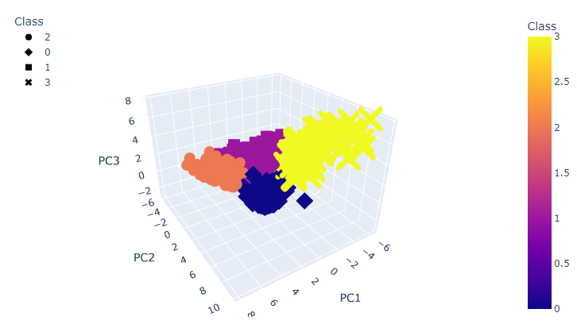
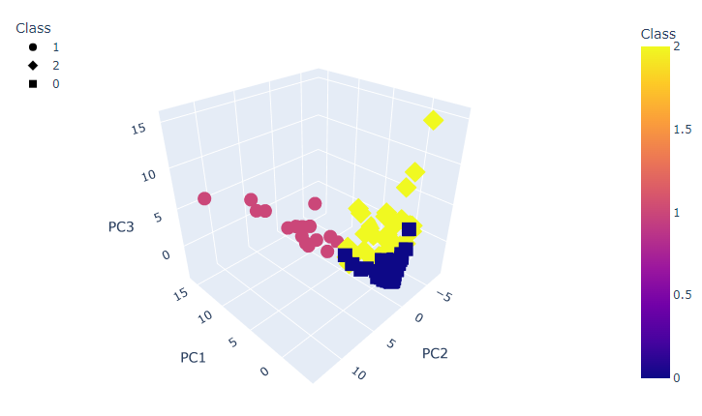
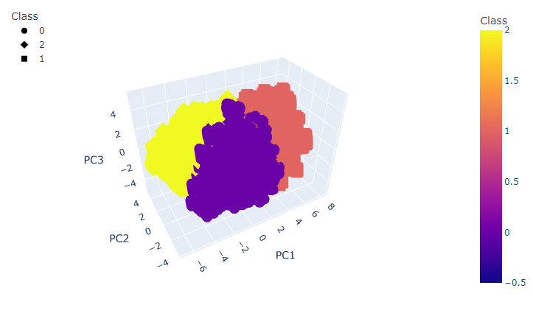
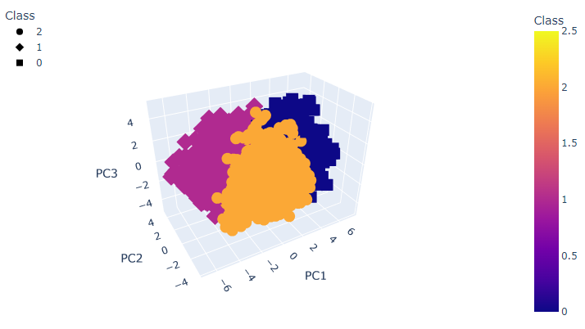
Most important feature in each principal component |  |  |  |  | Lap Time | Race
 | Laps | Races | Season | Career
PC1 | results_position | results_position | dstnd_points | results_laps
PC2 | year | year | res_9 | res_16
PC3 | fastestLapSpeed | fastestLapSpeed | results_laps | res_21

 |  |  |  |  | Season | Career

